Evolución
Ventas |  |  |  |  | 2014 |  | 2015 |  | 2016
 | 2014 | 2015 | 2016 |  | Ventas | % Total | Ventas | % Total | Ventas | % Total
ene | 37,943 | 70,399 | 64,448 | Argentina | 319 | 0.05% | 1,804 | 0.23% | 6,634 | 0.74%
feb | 22,669 | 70,178 | 70,511 | Austria | 75,299 | 10.90% | 74,847 | 9.41% | 104,269 | 11.67%
mar | 25,434 | 67,604 | 77,636 | Belgium | 17,744 | 2.57% | 16,767 | 2.11% | 26,380 | 2.95%
abr | 17,089 | 55,347 | 78,970 | Brazil | 52,331 | 7.58% | 62,918 | 7.91% | 84,072 | 9.41%
may | 14,713 | 78,307 | 92,561 | Canada | 28,824 | 4.17% | 44,847 | 5.64% | 37,469 | 4.19%
jun | 42,247 | 87,800 | 59,547 | Denmark | 15,056 | 2.18% | 24,631 | 3.10% | 24,501 | 2.74%
jul | 28,660 | 62,673 | 96,956 | Finland | 9,752 | 1.41% | 16,770 | 2.11% | 8,631 | 0.97%
ago | 89,467 | 74,697 | 91,773 | France | 75,331 | 10.91% | 50,085 | 6.30% | 56,984 | 6.38%
sep | 119,171 | 49,982 | 52,702 | Germany | 110,958 | 16.07% | 143,627 | 18.06% | 140,044 | 15.67%
oct | 73,361 | 59,733 | 62,073 | Ireland | 25,617 | 3.71% | 33,538 | 4.22% | 35,107 | 3.93%
nov | 97,670 | 70,041 | 77,515 | Italy | 5,901 | 0.85% | 7,630 | 0.96% | 12,449 | 1.39%
dic | 122,124 | 48,466 | 68,741 | Mexico | 22,584 | 3.27% | 18,442 | 2.32% | 12,638 | 1.41%
Total general | 690,548 | 795,227 | 893,433 | Norway | 530 | 0.08% | 2,286 | 0.29% | 5,035 | 0.56%
 |  |  |  | Poland | 300 | 0.04% | 1,426 | 0.18% | 2,724 | 0.30%
 |  |  |  | Portugal | 4,463 | 0.65% | 10,276 | 1.29% | 6,035 | 0.68%
YTD |  |  |  | Spain | 17,578 | 2.55% | 6,770 | 0.85% | 17,930 | 2.01%
 | 2014 | 2015 | 2016 | Sweden | 28,644 | 4.15% | 28,492 | 3.58% | 40,901 | 4.58%
ene | 37,943 | 70,399 | 64,448 | Switzerland | 14,512 | 2.10% | 21,210 | 2.67% | 16,425 | 1.84%
feb | 60,613 | 140,577 | 134,959 | UK | 26,281 | 3.81% | 34,981 | 4.40% | 45,572 | 5.10%
mar | 86,047 | 208,182 | 212,595 | USA | 125,041 | 18.11% | 154,676 | 19.45% | 168,963 | 18.91%
abr | 103,136 | 263,529 | 291,566 | Venezuela | 33,483 | 4.85% | 39,203 | 4.93% | 40,670 | 4.55%
may | 117,849 | 341,836 | 384,127 | Total general | 690,548 | 100.00% | 795,227 | 100.00% | 893,433 | 100.00%
jun | 160,096 | 429,635 | 443,674
jul | 188,756 | 492,308 | 540,630
ago | 278,223 | 567,005 | 632,402 |  | 2014 |  | 2015 |  | 2016 |  | Total Venta | Total % Total
sep | 397,394 | 616,987 | 685,105 |  | Venta | % Total | Venta | % Total | Venta | % Total
oct | 470,754 | 676,720 | 747,178 | John Matter | 237,347 | 34.37% | 240,680 | 30.27% | 335,426 | 37.54% | 813,453 | 34.19%
nov | 568,424 | 746,761 | 824,692 | Lydia Sinn | 174,546 | 25.28% | 178,492 | 22.45% | 192,480 | 21.54% | 545,518 | 22.93%
dic | 690,548 | 795,227 | 893,433 | Marc Caine | 86,074 | 12.46% | 130,097 | 16.36% | 126,073 | 14.11% | 342,244 | 14.38%
 |  |  |  | Peter Stone | 192,580 | 27.89% | 245,959 | 30.93% | 239,454 | 26.80% | 677,993 | 28.50%
 |  |  |  | Total general | 690,548 | 100.00% | 795,227 | 100.00% | 893,433 | 100.00% | 2,379,208 | 100.00%
Ventas

Hoja7
Etiquetas de fila | Suma de 237347,2
Lydia Sinn | 174546
Marc Caine | 86074.4
Peter Stone | 192580.2
Total general | 453200.6

Hoja6
 | 2014 |  | 2015 |  | 2016
Vendedor | Venta | % Total | Venta | % Total | Venta | % Total | Vendedor | Venta | Etiquetas de fila | Suma de Venta
John Matter | 237347.2 | 0.34370857455 | 240679.95 | 0.30265556547 | 335426.1 | 0.37543502835 | John Matter | 237347.2 | John Matter | 237347.2
Lydia Sinn | 174546 | 0.25276454432 | 178491.69 | 0.224453692 | 192480.16 | 0.2154387936 | Lydia Sinn | 174546 | Lydia Sinn | 174546
Marc Caine | 86074.4 | 0.12464654873 | 130097.05 | 0.16359732597 | 126072.55 | 0.14111022184 | Marc Caine | 86074.4 | Marc Caine | 86074.4
Peter Stone | 192580.2 | 0.2788803324 | 245958.55 | 0.30929341656 | 239454.34 | 0.2680159562 | Peter Stone | 192580.2 | Peter Stone | 192580.2
 |  |  |  |  |  |  |  |  | Total general | 690547.8

Hoja5
Suma de Ventas | Etiquetas de columna
Etiquetas de fila | 2014 | 2015 | 2016 | Total general
ene | 37943.2 | 70399 | 64447.75 | 172789.95
feb | 22669.4 | 70178.1 | 70511 | 163358.5
mar | 25434.3 | 67604.4 | 77636.45 | 170675.15
abr | 17089 | 55347.4 | 78970.47 | 151406.87
may | 14713.3 | 78306.79 | 92561.19 | 185581.28
jun | 42247 | 87799.65 | 59547.24 | 189593.89
jul | 28660.2 | 62673.1 | 96955.51 | 188288.81
ago | 89466.5 | 74697.03 | 91772.85 | 255936.38
sep | 119170.9 | 49981.69 | 52702.27 | 221854.86
oct | 73360.6 | 59733.02 | 62072.83 | 195166.45
nov | 97669.7 | 70040.7 | 77514.94 | 245225.34
dic | 122123.7 | 48466.36 | 68740.65 | 239330.71
Total general | 690547.8 | 795227.24 | 893433.15 | 2379208.19

Segmentación
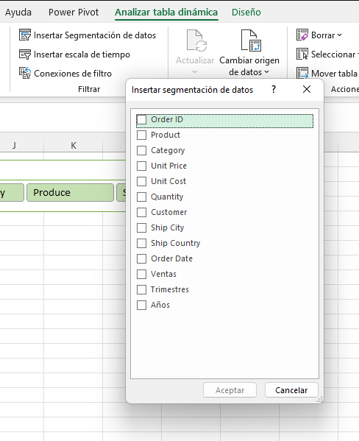

Hoja4
